Teensy Assignment
Teensy Pin Assignment
Final layout used on project AUG 4, 2023 |  |  |  |  |  |  |  | Physical Layout for Perf Board Build
J8
J6B
Serial - COM
Function | Teensy | Pin | CLR | PCB
Rx | 0 | J1-1 | GRN |  |  |  |  |  |  |  | TEENSY 4.1
J3
J1
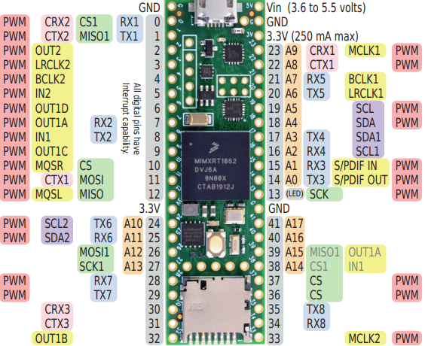
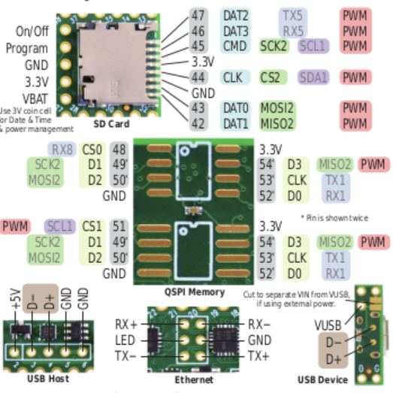
Tx | 1 | J1-2 | WHT,YEL |  |  |  |  | BLK | GND | GND |  |  | Vin
J9
J9
GND | GND | J1-3 | BLK |  |  |  |  | GRN | RX | 0 | DC ALT |  | GND-A
J5A
 |  |  |  |  |  |  |  | WHT | TX | 1 | PWM1 |  | 3.3V | VCC
J3
Keypad - 4x4 |  |  |  |  |  |  |  |  | PWM1 | 2 | PWM2 |  | 23,A9
J5B
J4
Function | Teensy | Pin |  |  |  |  |  |  | PWM2 | 3 | PWM3 | KP9 | 22,A8
Row1 | 33 | 14 |  |  |  |  |  |  | PWM3 | 4 | PWM4 | KP8 | 21,A7 | KP8
J3
J4
Row2 | 34 | 15 |  |  |  |  |  |  | PWM4 | 5 | PWM4-1 | KP7 | 20,A6 | KP7
J7B
Row3 | 35 | 16 |  |  |  |  |  |  | TACH1 | 6 | PWM4-2 | KP6 | 19,A5 | KP6
Row4 | 36 | 17 |  |  |  |  |  |  | TACH2 | 7 | PWM4-3 | KP5 | 18,A4 | KP5
J2
Col1 | 37 | 18 |  |  |  |  |  |  | TACH3 | 8 | PWM4-4 | KP4 | 17,A3 | KP4
J6A
Col2 | 38 | 19 |  |  |  |  |  |  | TACH4 | 9 | TACH1 | KP3 | 16,A2 | KP3
Col3 | 39 | 20 |  |  |  |  |  |  | CS DC-S | 10 | TACH2 | KP2 | 15,A1 | KP2
Col4 | 40 | 21 |  |  |  |  |  |  | SDI-MOSI | 11 | TACH3 | KP1 | 14,A0 | KP1
 |  |  |  |  |  |  |  |  | SDO-MISO | 12 | TACH4 |  | 13,LED | SCLK
2.8" TFT Display with Touch |  |  |  |  |  |  |  |  | VCC | 3.3V |  |  | GND | GND
TFT Pin | Teensy | Jx [Color] | Notes |  |  |  |  |  | PWM1 | 24, A10 |  | Volt | 41 A17 | Volt
J6A
VCC | 3.3V | J4-2 [red] | connect to 3.3V Only |  |  |  |  |  | PWM2 | 25, A11 |  | Latch | 40,A16
GND | GND | J4-1 [blk] |  |  |  |  |  |  |  | 26, A12 | SDI-MOSI | SDO-MISO | 39,A15
J4
CS (D-CS) | 10 | J4-4 [bwn] |  |  |  |  |  |  |  | 27, A13 | SCLK | CS DC-S | 38,A14 | Latch
RESET | 3.3V | VCC | tied to 3.3V on display |  |  |  |  |  | PWM3 | 28 | RX | DC | 37 | DC
DC | 37 | J3-1 [org] |  |  |  | 1 |  |  | PWM4 | 29 | TX | LED | 36
SDI MOSI | 11 | J3-4 [yel] |  |  |  | 2 |  |  |  | 30 | ROT | TX | 35 | TX
SCLK | 13 | J4-3 [grn] | only 13 or 14 |  |  | 3 |  |  |  | 31 | ROT | RX | 34 | RX
LED | 3.3V | VCC | tied to 3.3V on display |  |  | 4 |  |  |  | 32 | ROT |  | 33
SDO MISO | 12 | J3-3 [blu] |  |  |  | 5
T_CLK |  | SCK | tied to SCK on display |  |  | 6
T_CS |  | J3-5 [vio] | Alternate: any digital pin |  | 21
T_DIN |  | SDI | tied to SDI on display
T_DO |  | SDO | tied to SDO on display |  |  |  |  | Legend: |  | Trace cut
T_IRQ | 9 | J3-2 [gry] |  |  |  |  |  |  |  | jumper wire tie from connector pin |  |  |  |  |  |  |  |  | Pins for Gameduino from Arduino Uno
refer to the gameduino pin layout image for pin assignments |  |  |  |  |  |  |  | Notes: | Passive components not shown
 |  |  |  |  |  |  |  |  | ESS_io are placeholders. Not connected |  |  |  |  |  | Teensy Pins |  | Uno Pins |  |  |  | Uno Pins |  | Teensy Pins
 |  |  |  |  |  |  |  |  | J5B,J6B,J7B connect to separate GND Rail

 |  |  |  |  |  |  |  |  |  |  |  |  |  |  | NA |  | SCL | 17
 |  |  |  |  |  |  |  |  |  |  |  |  |  |  | NA |  | SDA | 16
 |  |  |  |  |  |  |  |  |  |  |  |  |  |  |  |  | AREF | 15
 |  |  |  |  | Other pins |  |  |  |  |  |  |  |  |  | GND | GND | GND | 14 |  | 17 | NC
 |  |  |  |  | rand | Teensy | Pin |  |  |  |  |  |  |  | 13 | SCK | SCK | 13 |  | 18 | IORef
 |  |  |  |  | Latch Pin | 38 | A14 |  |  |  |  |  |  |  | 12 | MISO | CIPO | 12 |  | 19 | Reset
 |  |  |  |  | Voltage Pin | 41 |  |  |  |  |  |  |  |  | 11 | MOSI | COPI | 11 |  | 20 | 3V out
 |  |  |  |  |  |  |  |  |  |  |  |  |  |  | 10 | CS | SS | 10 |  | 21 | 5V out | 5V in | 5V power source
Tachs |  |  |  |  |  |  |  |  |  |  |  |  |  |  |  |  | D | 9 |  | 22 | GND
Fans | Teensy | Pin |  |  |  |  |  |  |  |  |  |  |  |  |  | GPU Sel | D | 8 |  | 23 | GND
Fan 1 | 2 |  |  |  |  |  |  |  |  |  |  |  |  |  |  |  |  |  |  | 24 | V In
Fan 2 | 3 |  |  |  |  |  |  |  |  |  |  |  |  |  |  |  | D | 7
Fan 3 | 4 |  |  |  |  |  |  |  |  |  |  |  |  |  |  |  | D | 6 |  | 25 | Analog pin1
Fan 4 | 5 |  |  |  |  |  |  |  |  |  |  |  |  |  |  |  | D | 5 |  | 26 | Analog pin2
 |  |  |  |  |  |  |  |  |  |  |  |  |  |  |  |  | D | 4 |  | 27 | Analog pin3
PWMs |  |  |  |  |  |  |  |  |  |  |  |  |  |  |  |  | D | 3 |  | 28 | Analog pin4
Fans | Teensy | Pin |  |  |  |  |  |  |  |  |  |  |  |  |  | Interrupt | D | 2 |  | 29 | Analog pin5
Fan 1 | 6 |  |  |  |  |  |  |  |  |  |  |  |  |  |  |  | Tx | 1 |  | 30 | Analog pin6
Fan 2 | 7 |  |  |  |  |  |  |  |  |  |  |  |  |  |  |  | Rx | 0
Fan 3 | 7
Fan 4 | 8

Not Connected - Place Holder

